Hoja1
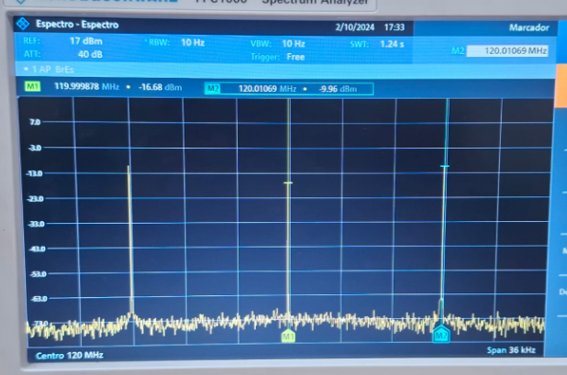
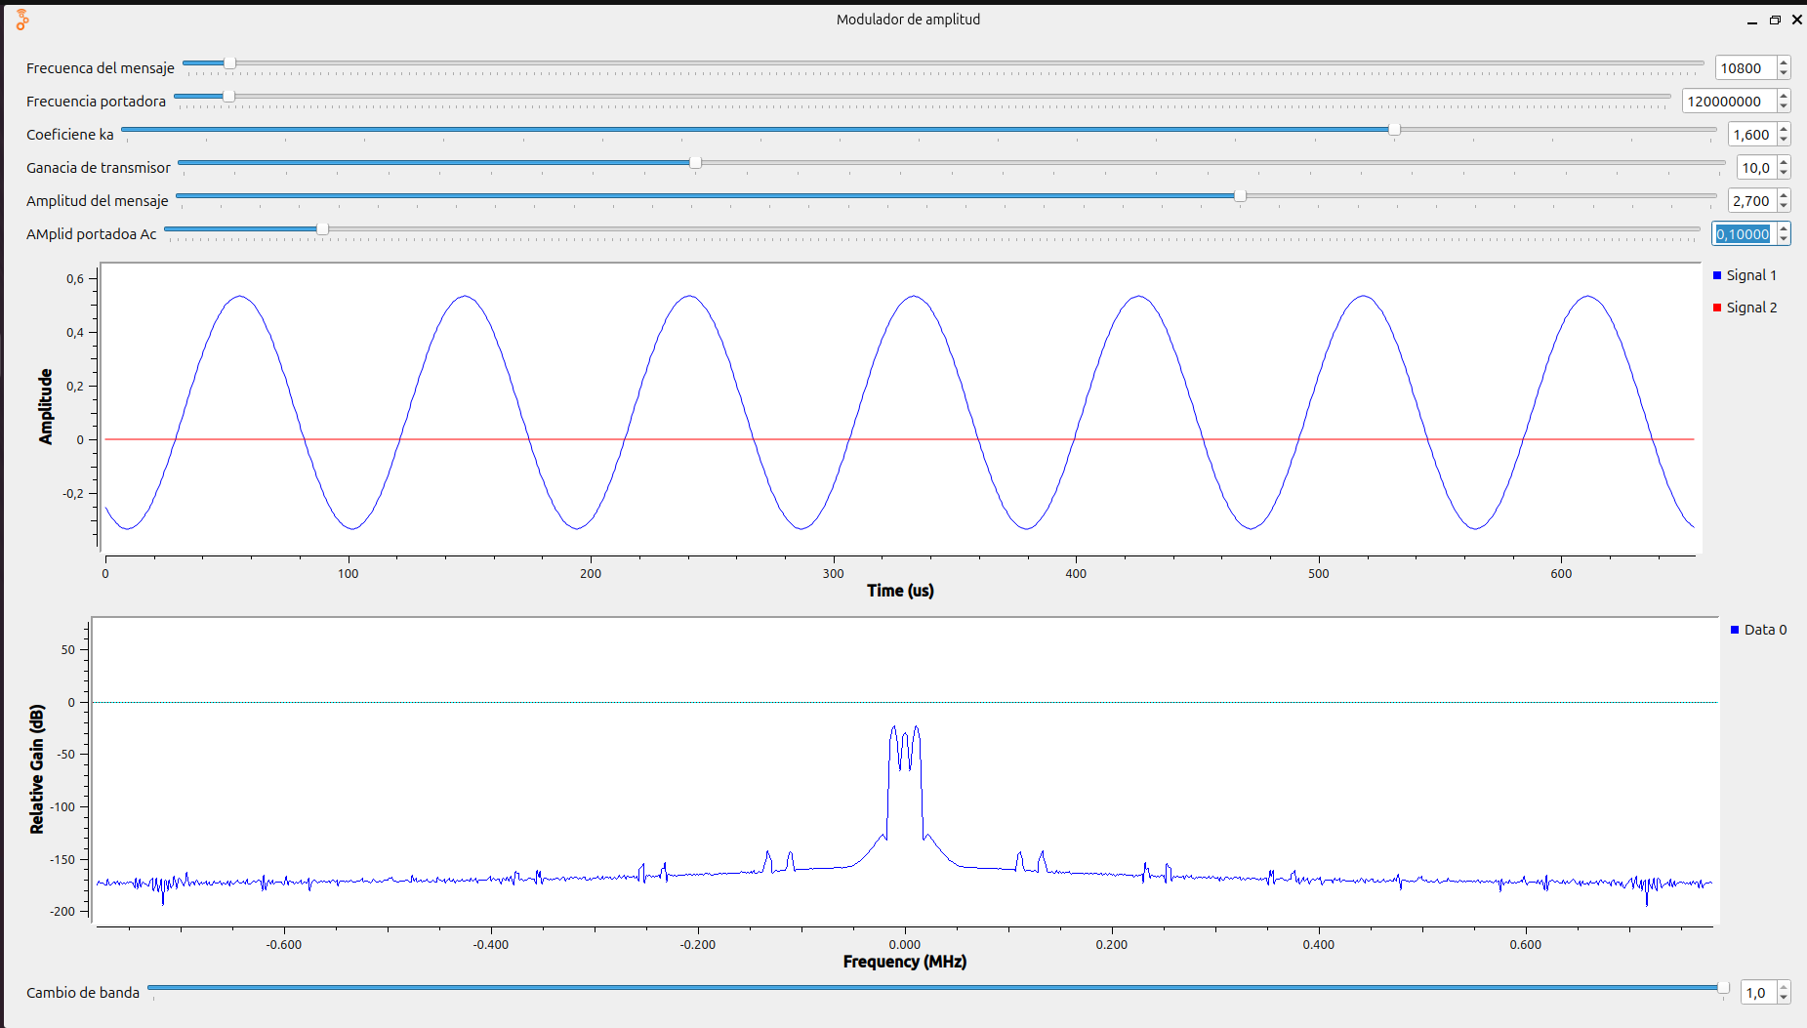
Ka*Am=1 | POTENCIA |  |  |  |  | INDICE MODULACION |  | FRECUENCIA |  | RUIDO |  | SNR
 | Portadora |  | Laterales |  | s(t) |  |  | Central/Portadora | Mensaje |  |  | Portadora | Laterales
 | [dBm] | [μW] | [dBm] | [μW] | [μW] | [dBm] | [dB] | [MHz] | [KHz] | [dBm] | [pW] | [dB]
 | -16.73 | 21.23244462 | -24.50 | 3.54813389 | 56.6574 | 7.770 | -22.23 | 120 | 108 | -82 | 6.3095734448 | 35.27 | 27.50
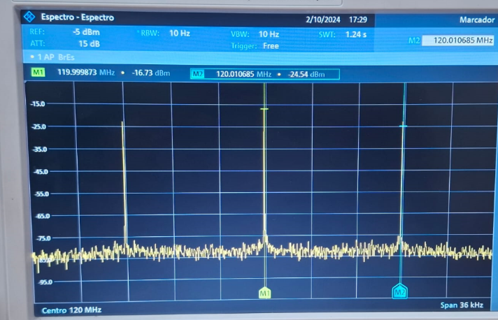
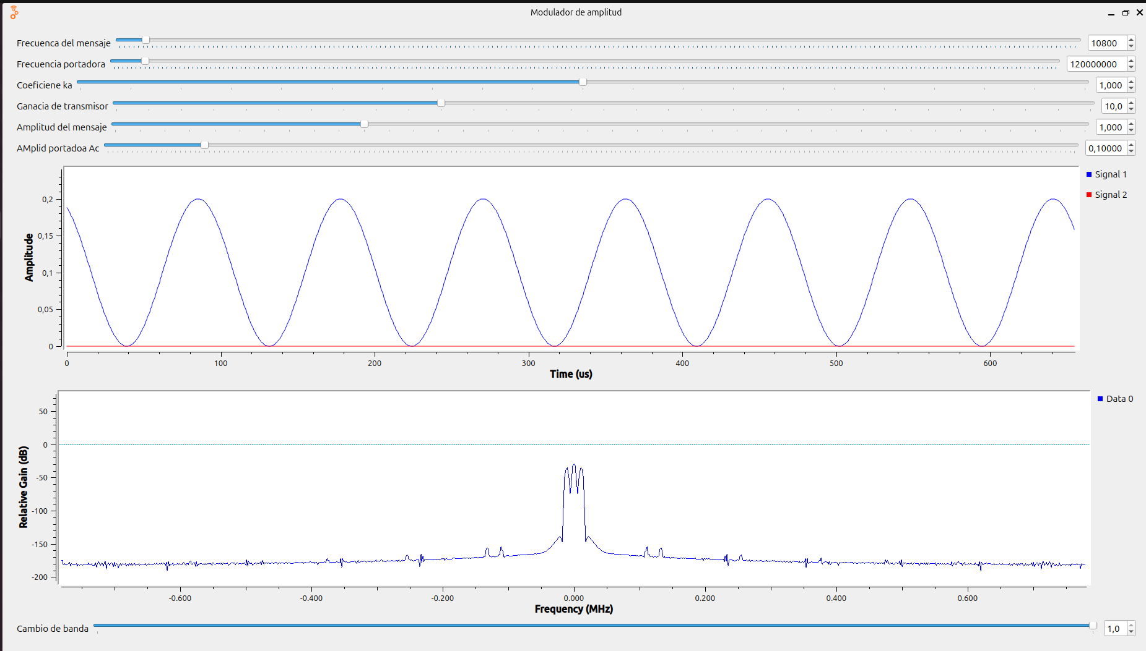

INDICE MODULACION
Pc

Pi=pd

RUIDO

FRECUENCIA DEL MENSAJE

Ka*Am<1 | POTENCIA |  |  |  |  | INDICE MODULACION |  | FRECUENCIA |  | RUIDO |  | SNR
 | Portadora |  | Laterales |  | s(t) |  |  | Central/Portadora | Mensaje |  |  | Portadora | Laterales
 | [dBm] | [μW] | [dBm] | [μW] | [μW] | [dBm] | [dB] | [MHz] | [KHz] | [dBm] | [pW] | [dB]
 | -16.78 | 20.98939884 | -32.13 | 0.61235039 | 44.4282 | 15.350 | -14.65 | 120 | 108 | -82 | 6.3095734448 | 35.22 | 19.87

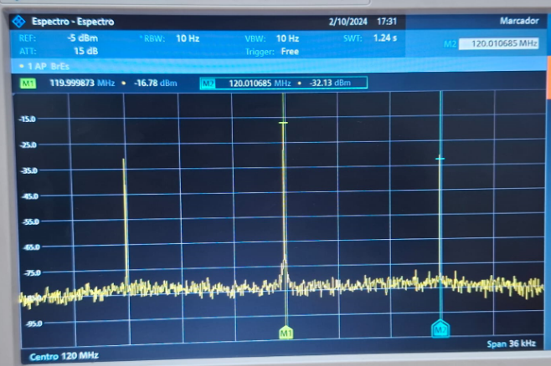
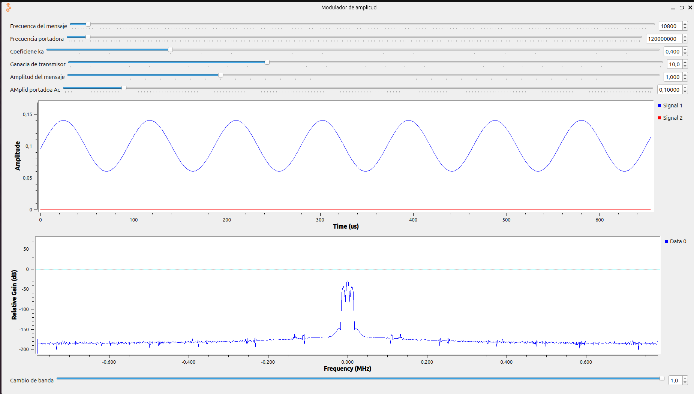

Ka*Am>1 | POTENCIA |  |  |  |  | INDICE MODULACION |  | FRECUENCIA |  | RUIDO |  | SNR
 | Portadora |  | Laterales |  | s(t) |  |  | Central/Portadora | Mensaje |  |  | Portadora | Laterales
 | [dBm] | [μW] | [dBm] | [μW] | [μW] | [dBm] | [dB] | [MHz] | [KHz] | [dBm] | [pW] | [dB]
 | -16.68 | 21.47830474 | -9.96 | 100.92528861 | 446.6578 | 6.720 | -36.72 | 120 | 108 | -82 | 6.3095734448 | 35.32 | 42.04

